Sheet1
Hypothesis in English mean 'assumption'. Hypothesis testing is a statistical technique used to test if an assumption or claim made is indeed true considering the given data.

Hypothesis testing is formulated such that assumption or claim that has to be proved is mentioned in the Alternate Hypothesis. Null hypothesis will always hold a condition which we want to reject.

In the world of analytics hypothesis testing is widely used to check if the sample being considered is a representation of the population. Tests are performed on the mean and variance of the data. Additionally there are hypothesis testing functions available to perform normality test, test to check correlations etc.

One Tail Right Sided Hypothesis Test | One Tail Left Sided Hypothesis Test | Two Tail Hypothesis test
Alternate hypothesis will have a '>' sign | Alternate hypothesis will have '<' sign | Alternate hypothesis will have '<>' sign
Example: Pizza official's competitor claim that the mean delivery time is more than 30 mins | Example: Pizza officials claim that the mean delivery time is less than 30 mins | Example: A customer complains that the mean delivery time of pizza is not equal to 30 mins
Hence the null and alternate hypothesis is: Ho: µ = 30 mins Ha: µ > 30 mins | Hence the null and alternate hypothesis is: Ho: µ = 30 mins Ha: µ < 30 mins | Hence the null and alternate hypothesis is: Ho: µ = 30 mins Ha: µ != 30 mins
Representation: | Representation: | Representation:
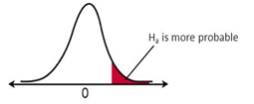 | 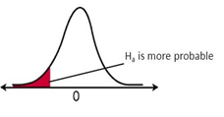 | 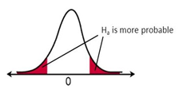

While we do the hypothesis testing there is possibility that there will be some errors. The output of the test may not be true for few data points. Below table represents the possible type of errors.

 | Ho True (Should not reject) | Ho False (Should reject)
Reject Ho | Type I Error (α) | Correct decision
Fail to Reject Ho | Correct decision | Type II Error (β)

 | α : level of significance Confidence level = 1 - α | Power of the test = 1- β

The Type I Error returned by hypothesis test is the p-value of the test.
If we want to be 95% confident on the result of the hypothesis test i.e. confidence level = 0.95, we keep threshold of 'α' as 0.05 (1-0.95) and compare the p-value with 0.05.
If p-value < 0.05, null hypothesis is rejected for a confidence level of 0.95.

